Sheet1
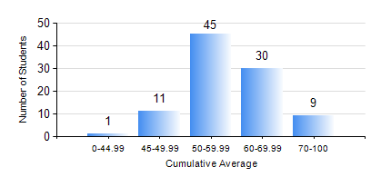
 |  |  | KWAME NKRUMAH UNIVERSITY OF SCIENCE AND TECHNOLOGY, KUMASI Department of Computer Engineering

 |  |  | BSC. COMPUTER ENG.

 |  |  | COMPREHENSIVE RECORD OF EXAMINATION RESULTS

 |  |  | RESULTS OF YEAR 4 FIRST SEMESTER, 2019/2020 ACADEMIC YEAR

 | Sn | Course Code |  | Course Name | Credit Hours | Min. Mark | Max. Mark | Avg. Mark | Std. Dev. | No. Passed | No. Trailed | No. (Df) | No. (I) | No. (I*) | No. Tagged(I,I*,Df) | Total
 | 0. |  |  |  |  |  |  | 0 | 0 | 0 | 0 | 0 | 0 | 0 | 0 | 2
 | 1. | COE 451 |  | COMPUTER GRAPHICS | 3 | 50 | 98 | 69 | 15.48 | 12 | 0 | 0 | 0 | 0 | 0 | 12
 | 2. | COE 453 |  | DISTRIBUTED COMPUTING | 3 | 25 | 97 | 70 | 15.93 | 83 | 1 | 0 | 0 | 0 | 0 | 84
 | 3. | COE 457 |  | ARTIFICIAL INTELLIGENCE | 3 | 63 | 80 | 75 | 6.31 | 6 | 0 | 0 | 0 | 0 | 0 | 6
 | 4. | COE 475 |  | COMPUTER NETWORKING | 4 | 42 | 85 | 63 | 8.89 | 94 | 0 | 0 | 0 | 0 | 0 | 94
 | 5. | COE 485 |  | COMPUTER ARCHITECTURE | 3 | 8 | 99 | 53 | 17.29 | 88 | 6 | 0 | 0 | 0 | 0 | 94
 | 6. | COE 497 |  | PROJECT 1 | 3 | 53 | 91 | 76 | 8.33 | 94 | 0 | 0 | 0 | 0 | 0 | 94
 | 7. | COE 499 |  | VACATION TRAINING | 2 | 50 | 88 | 72 | 7.17 | 94 | 0 | 0 | 0 | 0 | 0 | 94
 | 8. | ME 491 |  | ENGINEERING ECONOMICS AND MANAGEMENT | 3 | 41 | 82 | 64 | 8.11 | 94 | 0 | 0 | 0 | 0 | 0 | 94

